Clients Requirement
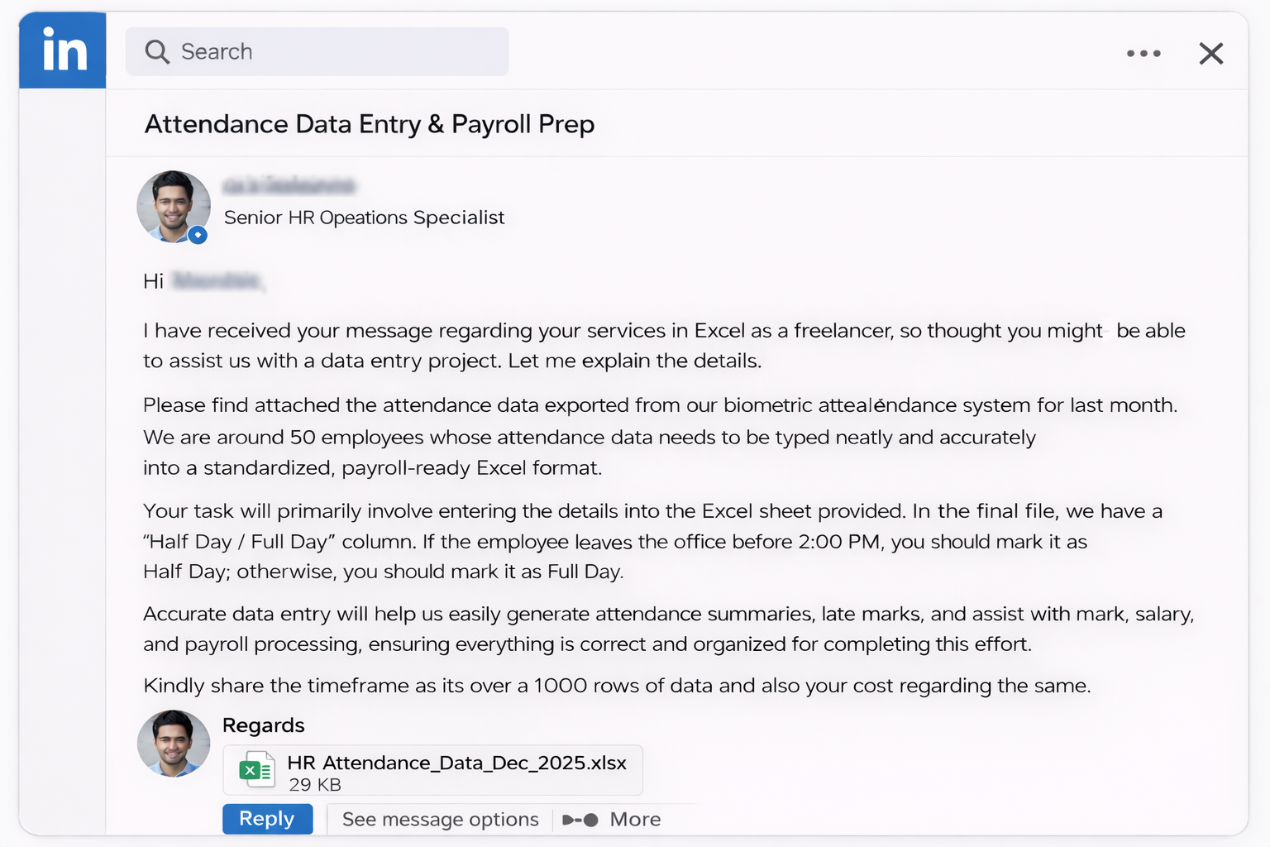
sss

Clients's Requirement

Home Work
Write Total Number of Employees who are in Sales in the comment section of this video :)


Solve this querie and I'll Pay you Good amount...

231 employees are in sales

